Document History
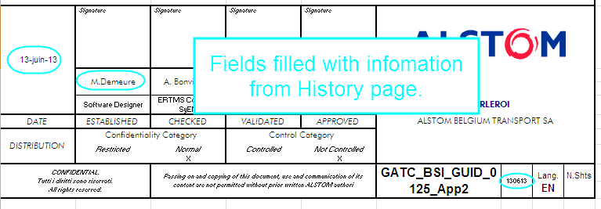
Reference: | GATC_BSI_GUID_0125_App9 | abcd |  | ERTMS TRB | 2015-11-09 | Search for last date
 |  |  |  |  | M.Demeure | Search for corresponding name
DOCUMENT REVISIONS |  |  |  |  | Do not modify the above fields.

Revision | Author | Date | Comments
2015-05-05 | M.Demeure | 2015-05-05 | First issue of this document. CR atvcm00618360: DMI Centralp/ERSA DRU diagnostic codes". |  | This file contains automatic filling of the cover and history page.
2015-11-09 | M.Demeure | 2015-11-09 | CR atvcm00656313: [GUIDE 125] transmission of languages from DMI to TRU This is the minimum version for Baseline 6.4.A |  | Do not fill the column A of this page, it's automatic and used for other fields!

 |  |  |  |  | Automatic filling of cover page:

